Sheet1
Alternative 1 | New Route Generation Software | Alternative 2 | Volunteer Recruitment Compaign |  | Paid Delivery Driver |  | 2023 | 2022
One Time Fixed Cost (10 yrs) | $16,800 | Campaign | $2,500 | Recruitment Paid Driver | $1,000 |  | $(138,000) | $33,000 | $(171,000)
Additional Subscription (10 yrs) | $70,000 | Personal Training (5-10) | $3,000 | Personal Training (2) | $800
 |  | 40% turn-over | Lose 3 volunteers | 2 Paid Driver (2.5Hr per day) | $140 |  | Minimum acceptable rate of return
Total Cost | $86,800 | Total Cost | $5,500 | Total Cost |  |  | 5%

Saving & Revenue |  |  | Average 4 new volunteers |  | Additional 2 volunteer |  | Current | Target
Save route management time (1.5H Overtime & 10 yrs) | $76,050 | 60% Available | 2.4 new volunteer |  |  | Monthly Demand | 5267 | 6020 | 114% | 48% | 55%
Reduce delivery time (12.5%) | 12.50%
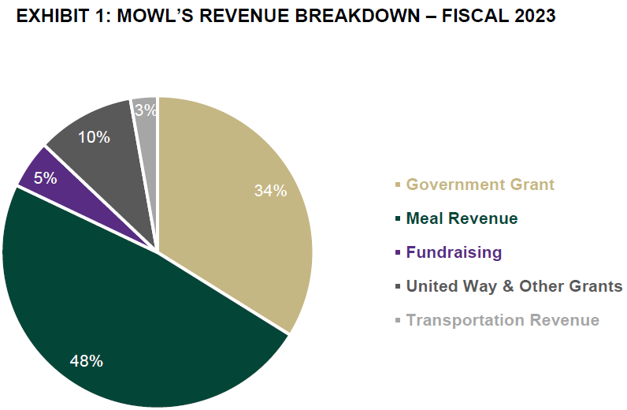
Total Saving | $85,556
 |  | Incremental demand (5267/mon to 6020/mon) | 14.30%
Total Saving & Revenue | $85,556 |  | $12,232

Gross Margin | $(1,244) |  | $6,732

Combined Margin |  |  | $5,488

PROs

Cons

